Defect 35
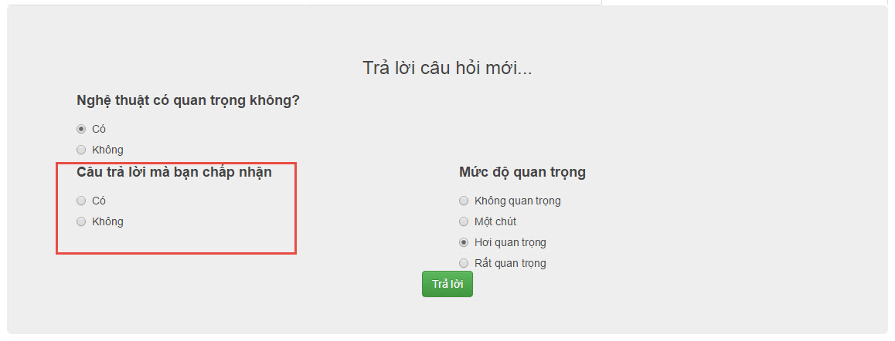
Error 19:
 | Defect Description
 |  | When user answer the question, can update answer successful while user don't check into "Câu trả lời có thể chấp nhận" check box

 | Step to perform
 |  | Step 1 : | Click on "Câu hỏi" tab

 |  | Step 2: | Don't check into "Câu trả lời có thể chấp nhận" check box

 |  | Step 3: | Click "Trả lời" button

 |  | Actual | Update answer successfully
 |  | Expected | Update answer unsuccessfully and must reminder error

Defect 34
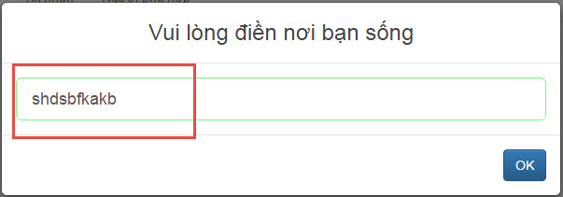
Error 34:
 | Defect Description
 |  | Can input a bogus location in location text fields when update the habitat

 | Step to perform
 |  | Step 1: | Click on the avatar of the own user

 |  | Step 2: | In habitat fields, click "Chỉnh sửa" button

 |  | Step 3: | input a bogus location in location text fields

 |  | Step 4: | Click "Ok" button

 |  | Actual | Change habitat successfully
 |  | Expected | Change habitat unsuccessfully

Defect 33
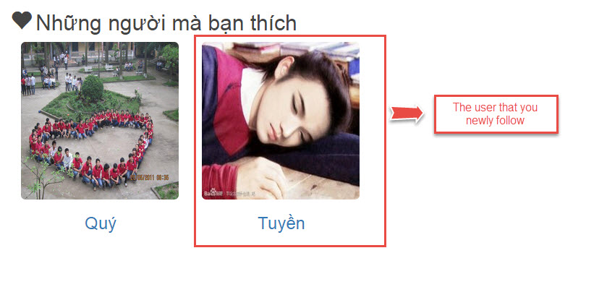
Error 33:
 | Defect Description
 |  | The last people you follow do not show up first in "Người bạn thích" list

 | Step to perform
 |  | Step 1: | Click on avatar of one other user

 |  | Step 2: | Click on "Thích anh (cô) ấy" button

 |  | Step 3: | Switch to "Người bạn thích" list

 |  | Actual | The user that you newly follow do not show up first in "Người bạn thích" list
 |  | Expected | The user that you newly follow must be show up first in "Người bạn thích" list

Defect 32
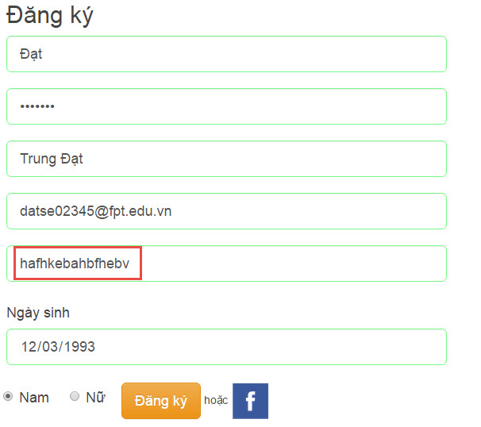
Error 32:
 | Defect Description
 |  | Can input a bogus location in location text fields when register

 | Step to perform
 |  | Step 1: | Input invalid information in all fields but input a bogus location in location text fields

 |  | Step 2: | Click "Đăng ký" button

 |  | Actual | Register successfully
 |  | Expected | Register unsuccessfully

Defect 31
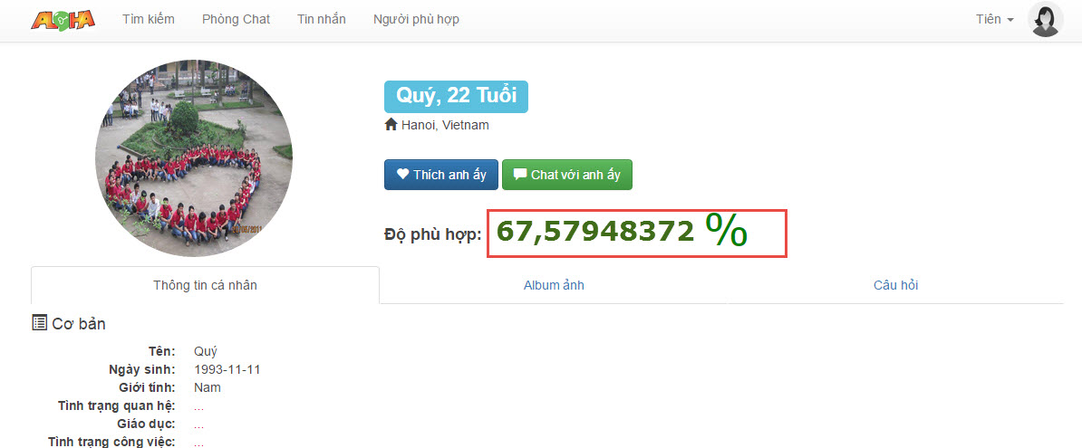
Error 31:
 | Defect Description
 |  | The number of suitability between two user don't rounding (toward Advance member)

 | Step to perform
 |  | Step 1: | Click on avatar of any other user

 |  | Actual | Displays this user profile but the number of suitability between two user don't rounding
 |  | Expected | Displays this user profile and the number of suitability between two user must be rounding

Defect 29
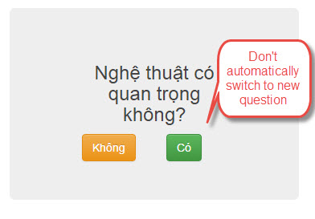
Error 29:
 | Defect Description
 |  | Don't automatically switch to new questions in Yes/No question area

 | Step to perform
 |  | Step 1 : | Answer a yes/no question in Quick Reply area | Overview!A1

 |  | Actual | Don't automatically switch to new questions in Yes/No question area
 |  | Expected | Must automatically switch to new questions in Yes/No question area

Defect 01
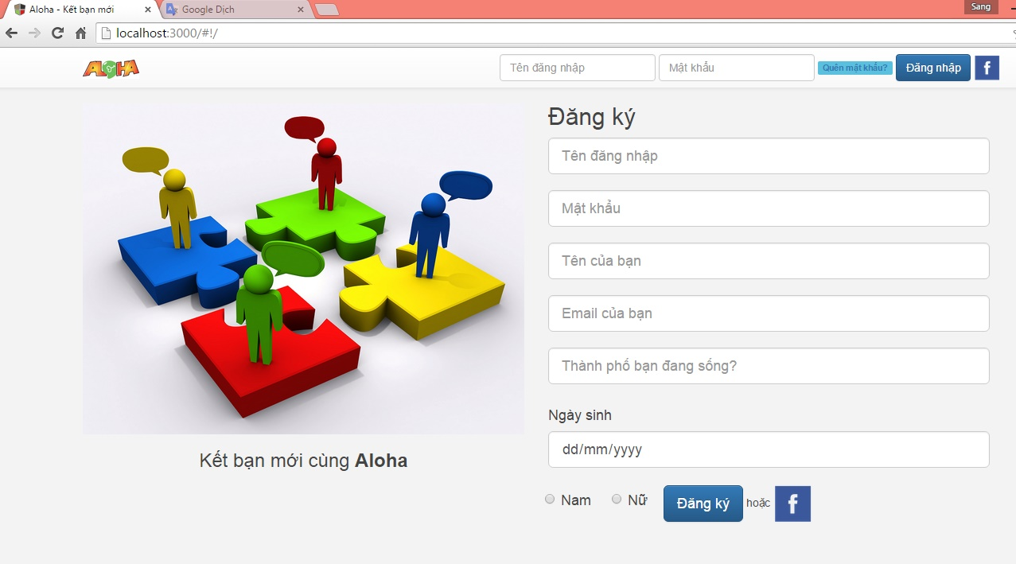
Error 1:
 | Defect Description
 |  | Rigister by facebook is successfully but after don't auto login

 | Step to perform
 |  | Step1 : | Click on "Đăng ký bằng facebook" button. Then website will be display dialogbox that request provide information

 |  | Step 2 : | Click on "Ok" button

 |  |  | Actual | Rigister by facebook is successfully but after don't auto login
 |  |  | Expected | Register successfully and login with facebook that user use register

Defect 05
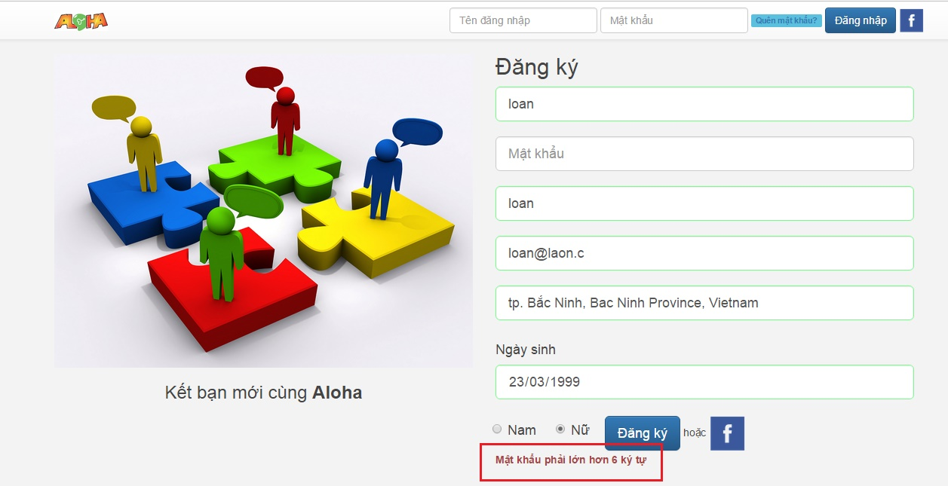
Error 5:
 | Defect Description
 |  | Register incase don't input "Mật khẩu" then display incorrect message

 | Step to perform
 |  | Step 1 : | Input valid all information values is required. But at "Mật khẩu" field check, don't check to select the sex.

 |  | Step 2: | Click on "Đăng ký" button

 |  |  | Actual | Register unsuccessfully and and display message "Mật khẩu phải nhiều hơn 6 ký tự"
 |  |  | Expected | Register unsuccessfully and and display message "Hãy nhập mật khẩu!"

Defect 08
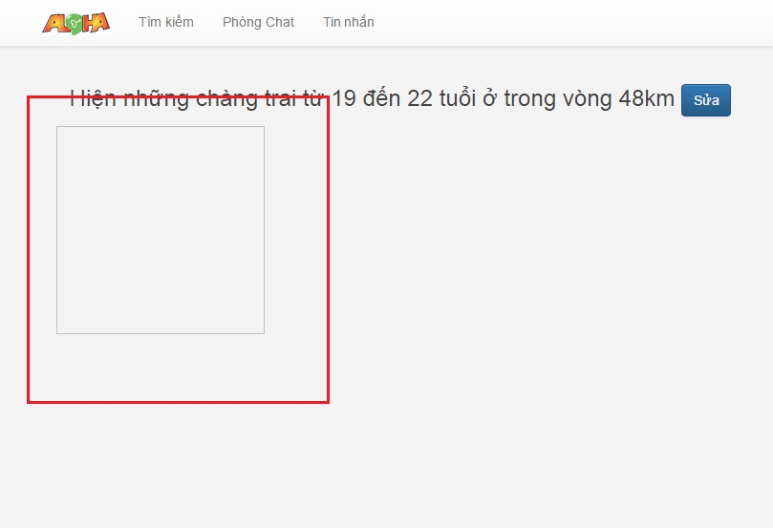
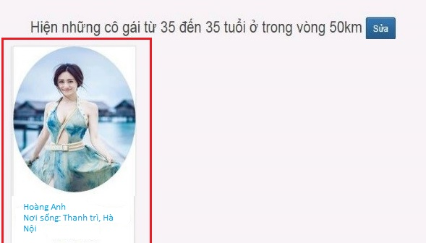
Error 8:
 | Defect Description
 |  | When search friend then search result is incorrect fomat

 | Step to perform
 |  | Step 1 : | Click "Tìm bạn" tab |  |  | Overview!A1

 |  | Step 2: | Select search condition

 |  | Step 3: | Click "Đồng ý" button

Actual | Search result is incorrect fomat |  |  | Expected | Search result is correct fomat

Defect 09
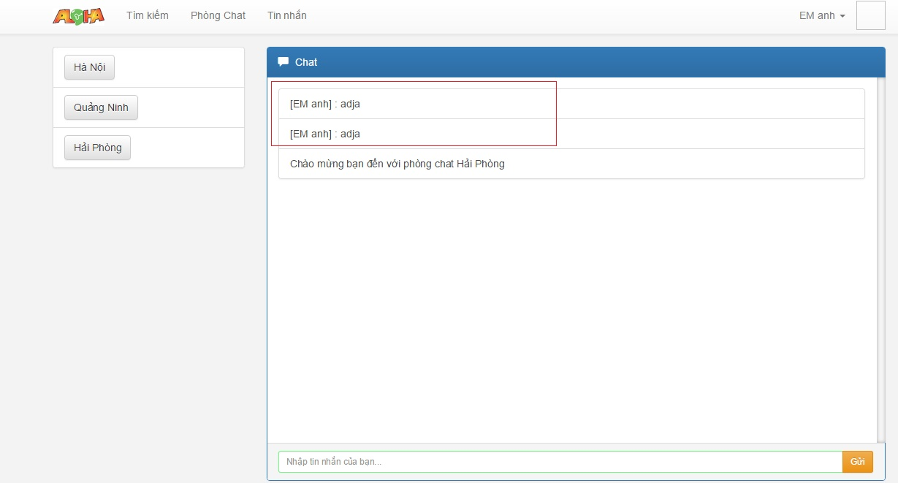
Error 9:
 | Defect Description
 |  | Sometime Multiplied the message chat in chat room

 | Step to perform
 |  | Step 1 : | Click "Phòng chat" tab | Overview!A1

 |  | Step 2: | Select room chat

 |  | Step 3: | Chat any message

 |  | Actual | Sometime Multiplied the message chat in chat room

 |  | Expected | Don't Multiplied the message chat in chat room

Defect 11
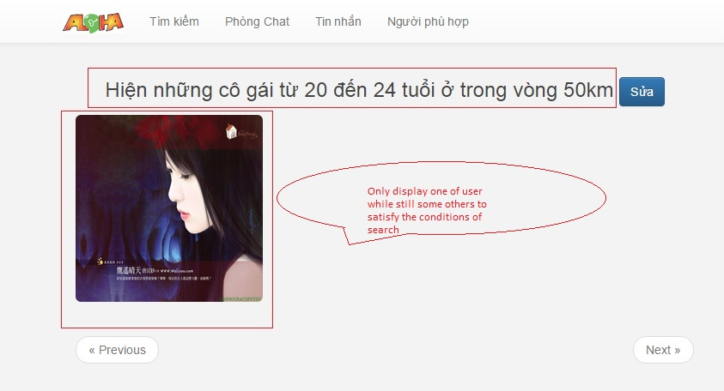
Error 10:
 | Defect Description
 |  | Don't display all satisfy search condition user when conduct search

 | Step to perform
 |  | Step 1 : | Input search condition | Overview!A1

 |  | Step 2: | Click "Đồng ý" button

 |  | Actual | Don't display all satisfy search condition user when conduct search

 |  | Expected | Display all satisfy search condition user when conduct search

Defect 12
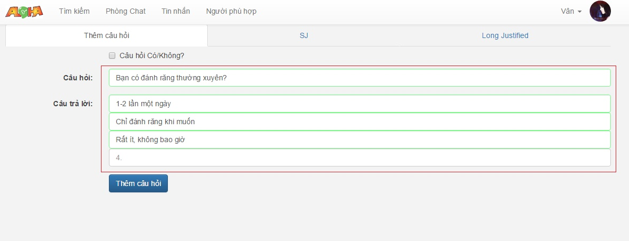
Error 12:
 | Defect Description
 |  | When admin create a question have many answers then can't create the question with the answers other than 4

 | Step to perform
 |  | Step 1 : | Input question and 3 answers into question box and answer boxes | Overview!A1

 |  | Step 2: | Click "Thêm câu hỏi" button

 |  | Actual | Can't create the question with the answers other than 4

 |  | Expected | Can create the question with the answers other than 4

Defect 17

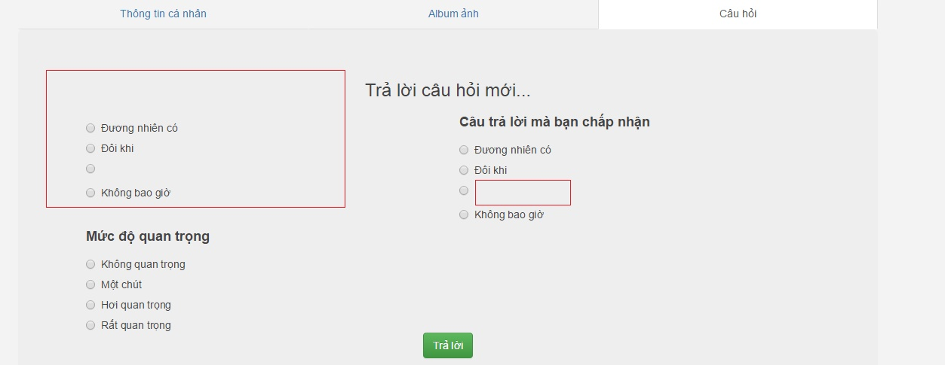
Error 17:
 | Defect Description
 |  | When admin create a question have many answers then admin can create question with input blank in "Câu hỏi" fields or input answers is blank

 | Step to perform
 |  | Step 1 : | Input blank in the question field or input valid answers into answer boxes.

 |  | Step 2: | Click "Thêm câu hỏi" button

 |  | Actual | Add new question successfully
 |  | Expected | Add new question unsuccessfully. And must reminder error

Defect 22
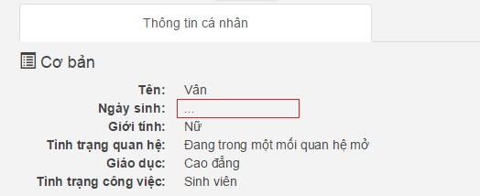
Error 22:
 | Defect Description
 |  | Can don't input date of birth (the mandatory field) when update personal information.

 | Step to perform
 |  | Step 1 : | Click on "Chỉnh sửa" button in "Thông tin cá nhân" page

 |  | Step 2: | Input valid in all mandatory fields but don't input into "Ngày sinh" fields

 |  | Step 3: | Click "Lưu" button

 |  | Actual | Update personal information successfully
 |  | Expected | Update personal information unsuccessfully and reminder error

